Product Change Notification
PRODUCT CHANGE NOTIFICATION

Product Category | REELSMART |  |  | 20210623-1
Product Group | TIES AND TERMINALS
ISSUE DATE: | 23-Jun-21
IMPACTED REGIONS:
REASON FOR CHANGE:

DESCRIPTION OF CHANGE: (Required)
Due to limited availability on select paper goods, Panduit is forced to change the packaging of our ReelSmart reels. Per the images below, we will be removing the white liner on each flange of the reel. We anticipate this to be a temporary change and to return back to normal in September.
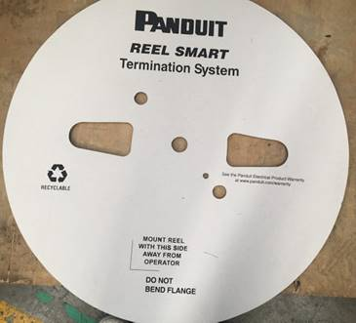 Photos/Drawing (where applicable)
IMPACTED PART NUMBERS AND REPLACEMENT PART NUMBERS: (where applicable)
Reference Page 2 / Linked PDF
DATES: DISCONTINUATION AND NEW PRODUCT AVAILABILITY:
SCHEDULE FOR CHANGE |  | Year (YYYY) | Month (MM) | Day (DD)
New product sample availability date |  | 2021 | 6 | 28
Old product discontinuation date*

CUSTOMER SERVICE CONTACTS
ASIA PACIFIC | AUSTRALIA: 1-800 7263848 | CHINA: 800-820-1900 |  | HONG KONG: 800-965768
 | AUS-Customer-Service@panduit.com | CHN-CustomerService@panduit.com |  | CHN-CustomerService@panduit.com
 | INDIA: 000 800 6501844 (Fixed) 000 800 6500369 (Mobile) | INDONESIA: 001 803 65 7571 |  | JAPAN: +81-3-6863-6000
 | IND-Customer_Service@panduit.com | SGP-Customer_Service@panduit.com |  | JPN-CS@panduit.com
 | KOREA: 02-2182-7300 | MALAYSIA 1800 801435 |  | SINGAPORE: 1-800-7263848
 | KOR-CustomerService@panduit.com | SGP-Customer_Service@panduit.com |  | SGP-Customer_Service@panduit.com
 | TAIWAN: 0080 165 1487 | THAILAND: 001-800-65-6385
 | SGP-Customer_Service@panduit.com | SGP-Customer_Service@panduit.com
LATIN AMERICA | BRAZIL 08000562613 (Toll Free) | MEXICO: +52-33-37776000 x80520 01 800 360 86 00 (Toll Free) |  | OTHER LA COUNTRIES: Phone USA 1-708-532-1800
 | BRA-custservice@panduit.com | MEX-customerservice@panduit.com |  | TP-CS-INTERNATIONAL@panduit.com
NORTH AMERICA | USA & CANADA: 1-800-777-3300 | EMEA |  | EMEA: +44 208 6017219
 | cs@panduit.com |  |  | EMEA-CustomerServices@panduit.com

To add a contact or to unsubscribe, please send an email to: |  |  | PCN@panduit.com

Product Groups
CABLE COPPER, FIBER CABLE AND CONNECTORS
CONVERGED INFRASTRUCTURE
COPPER & NETKEY COPPER, FIBER, CABLE
DATA CENTER SOFTWARE
DC CONNECTIVITY
DUCT AND ABRASION
ID, SAFETY AND ACCESSORIES
IMS SMARTZONE HARDWARE
INDUSTRIALNET COPPER
INDUSTRIALNET FIBER
INDUSTRIALNET OUTLETS
IOT SOFTWARE
IOT SOLUTIONS
MISC
OUTLETS, SURFACE RACEWAY, RACKS, ZONE, CABLE MANAGEMENT
POWER CONNECTORS, GROUNDING AND STEEL
PRE-CONFIGURED IA
TIES AND TERMINALS

